march
Tuesday Test, Pass 4 | datestamps | notes | device | Lost ? | Notes | IP
new-1 inch | out/cap_rec_20230207-181446.txt | line 0 | /dev/ttyACM1 |  | Tuesday test | 138.67.193.118
new-1 inch | out/cap_rec_20230207-182009.txt | line 1 | /dev/ttyACM1 |  | Tuesday test
new-1 inch | out/cap_rec_20230207-182359.txt | line 2 | /dev/ttyACM1
new-1 inch | out/cap_rec_20230207-182548.txt | line 3 | /dev/ttyACM1 | Lost, maybe, check the data carefully
 | out/cap_rec_20230207-183003.tx | line 4 | /dev/ttyACM2
 | out/cap_rec_20230207-183439.txt | line 5 | /dev/ttyACM2 |  | Not full line but our plot data seems fine
 | out/cap_rec_20230207-183819.txt | line 6 | /dev/ttyACM2 | Lost, maybe, check the data carefully

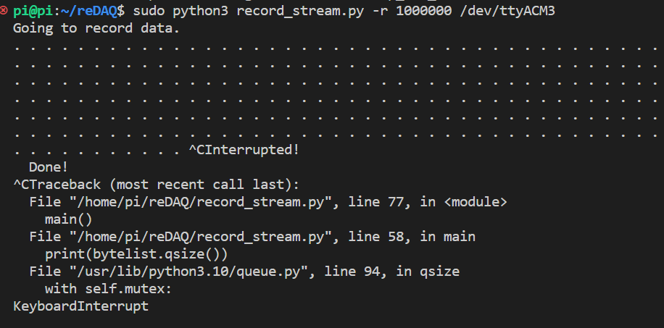
Wednesday Test,Pass 5 | datestamps | notes | device | Lost ? | Notes
new-1 inch | out/cap_rec_20230208-150938.txt | line 0 | /dev/ttyACM3
 | - | line 1 | /dev/ttyACM3 | losted | We receive keyboard interrupt error. No data has been saved,
 | out/cap_rec_20230208-161101.txt | line 2 | /dev/ttyACM3
 | out/cap_rec_20230208-161400.txt | line 3 | /dev/ttyACM3
 | out/cap_rec_20230208-161612.txt | line 4 | /dev/ttyACM3
 | out/cap_rec_20230208-161801.txt | line 5 | /dev/ttyACM3
This experiment is continued on thursday noon as a first test | out/cap_rec_20230209-132835.txt | line 6 | /dev/ttyACM3 | Lost, maybe, check the data carefully | we lost the signal when we switched back to concrete (2nd concrete part)

Thursday Test 1, Pass 6
new-1.5 inch | out/cap_rec_20230209-134454.txt | line 0 | /dev/ttyACM3 | Lost, the green light was turning off and on repetitively in two seconds, at the end we lost it.
 | out/cap_rec_20230209-134853.txt | line 1 | /dev/ttyACM3 | lost in the beginning
 | out/cap_rec_20230209-135436.txt | line 2 | /dev/ttyACM3
 | out/cap_rec_20230209-135609.txt | line 3 | /dev/ttyACM3 | Lost, maybe, check the data carefully
 | out/cap_rec_20230209-135744.txt | line 4 | /dev/ttyACM3 | lost in the beginning
 | out/cap_rec_20230209-142337.txt | line 5 | /dev/ttyACM3 | Play with the pin/chip etc. So, working fine
 | out/cap_rec_20230209-142629.txt | line 6 | /dev/ttyACM3

Thursday Test 2, Pass 7
new-1 inch | out/cap_rec_20230209-162217.txt | line 0 | /dev/ttyACM3
 | out/cap_rec_20230209-162639.txt | line 1 | /dev/ttyACM4
 | out/cap_rec_20230209-162829.txt | line 2 | /dev/ttyACM4
 | out/cap_rec_20230209-163002.txt | line 3 | /dev/ttyACM4
 | out/cap_rec_20230209-163152.txt | line 4 | /dev/ttyACM4
 | out/cap_rec_20230209-163313.txt | line 5
 | out/cap_rec_20230209-163554.txt | line 6

